ورقة1
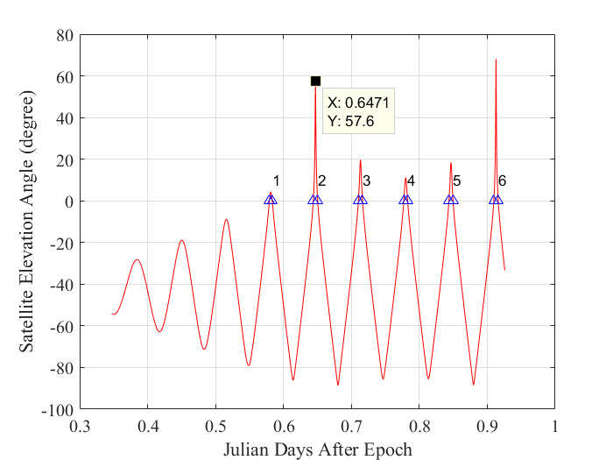
STARLINK-30516

1 57984U 23151W 23283.58334491 -.00839577 00000-0 -36343-2 0 9992
2 57984 42.9966 110.4348 0001947 257.2028 55.5802 15.85920567 2903

NORAD ID: 57984
Int'l Code: 2023-151W
Perigee: 319.6 km
Apogee: 322.2 km
Inclination: 43.0 °
Period: 90.8 minutes
Semi major axis: 6691 km
RCS: Unknown
Launch date: September 30, 2023
Source: United States (US)
Launch site: AIR FORCE EASTERN TEST RANGE (AFETR)
https://www.n2yo.com/satellite/?s=57984

USING 2-Line Elements:
1 57984U 23151W 23283.58334491 -.00839577 00000-0 -36343-2 0 9992
2 57984 42.9966 110.4348 0001947 257.2028 55.5802 15.85920567 2903

Baghdad Station : Lon=44.4009 Lat 33.3406 Alt= 32.00 m
EPOCH: YEAR MO DAY UTSEC
2023 10 10 50401.00 | Epoch >>Hours: 12, Minutes: 0, Seconds: 1.00

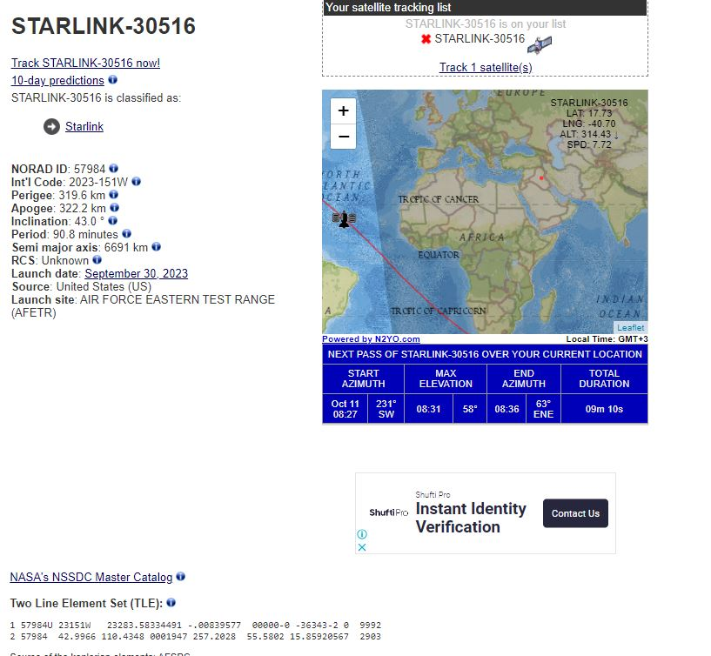
PASS# 1 START: 10 11 3 54.00 END: 10 11 4 0.00
PASS# 2 START: 10 11 5 27.00 END: 10 11 5 36.00
PASS# 3 START: 10 11 7 2.00 END: 10 11 7 11.00
PASS# 4 START: 10 11 8 39.00 END: 10 11 8 47.00
PASS# 5 START: 10 11 10 14.00 END: 10 11 10 23.00
PASS# 6 START: 10 11 11 49.00 END: 10 11 11 59.00

[Emon,Eday,Ehr,Emin,Esec] = days2mdh(Eyear,satrec.epochdays+0.6471)
Emon = 10, Eday = 11, Ehr = 5, Emin = 31, Esec = 50.4402 |  | time of the next Maimum elevation anlge

